Best Practices
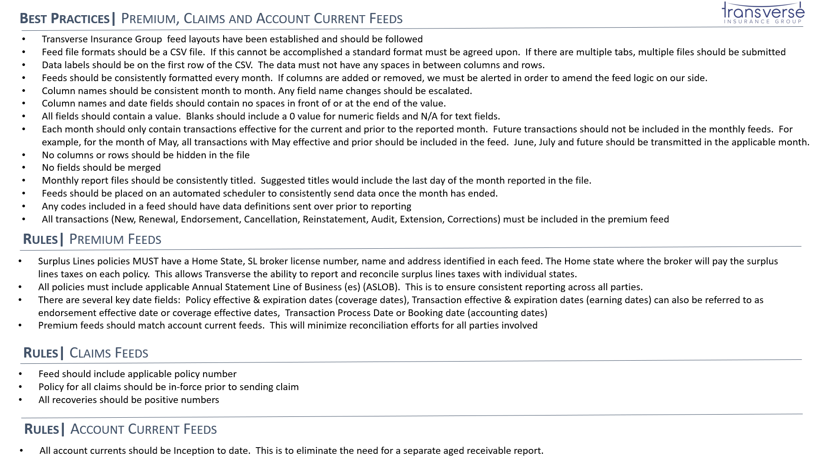

Damage to Premises Rented to you Limit | Enter Limit | General Liability
Medical Expense Limit Included | Enter "Yes" or "No" | General Liability
Medical Expense Limit | Enter Limit | General Liability
Personal and Advertising Injury Limit | Enter Limit | General Liability
Products/Completed Operations Aggregate Limit | Enter Limit | General Liability
2nd Layer Deductible - Per Occurrence | Enter Occurrence | General Liability
2nd Layer Deductible Aggregate | Enter Aggregate | General Liability
Stop Gap Limit | Enter "$0" if not included otherwise enter limit | General Liability
Employee Benefits Limit | Enter "$0" if not included otherwise enter limit | General Liability
Rate Per Member | Enter Member | General Liability

